Sheet2
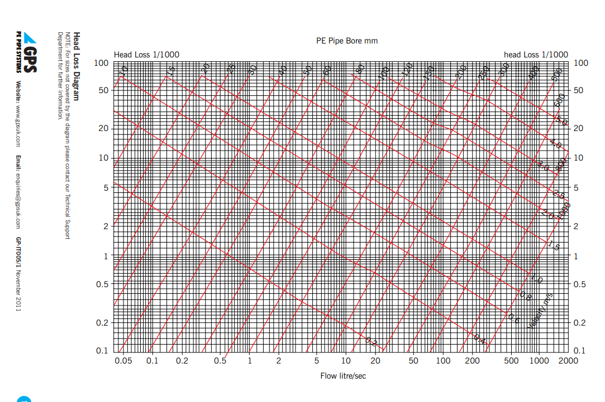
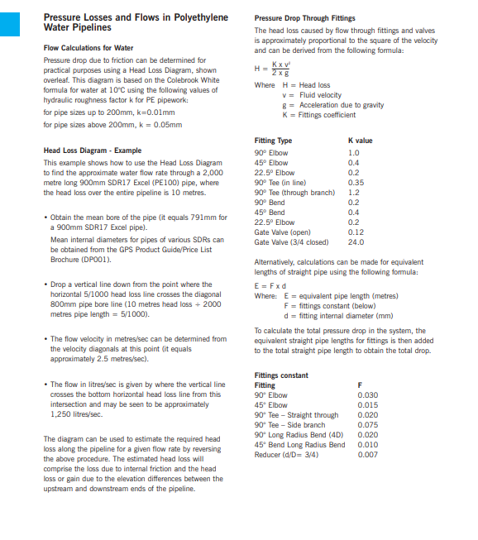
 |  | Project No.
 |  | Project
 |  | Title
 |  | Schedule No.
 |  | Revision
 |  | Date
 |  | Sheet

Ref | Item | Notes | Length (m) | Pressure Drop (Pa/m or Pa) |  | Total Pressure (KPa) | Notes
 |  |  |  |  |  | 0.00 | 10m Head = 100kPa = 1Bar
 |  |  |  |  |  | 0.00
 |  |  |  |  |  | 0.00 | *Equiv Length 0.3 x 100 = 3
 |  |  |  |  |  | 0.00
 |  |  |  |  |  | 0.00
 |  |  |  |  |  | 0.00
 |  |  |  |  |  | 0.00 | 1Bar

 |  |  |  |  |  | 0.00 | Kpa

 |  |  |  |  | (+20%) | 0.00 | Kpa

 |  |  |  |  | (+20%) | 0.0 | Bar

IP 02-05-13-5302 Version 1
 | 11bends

